TEST CASES
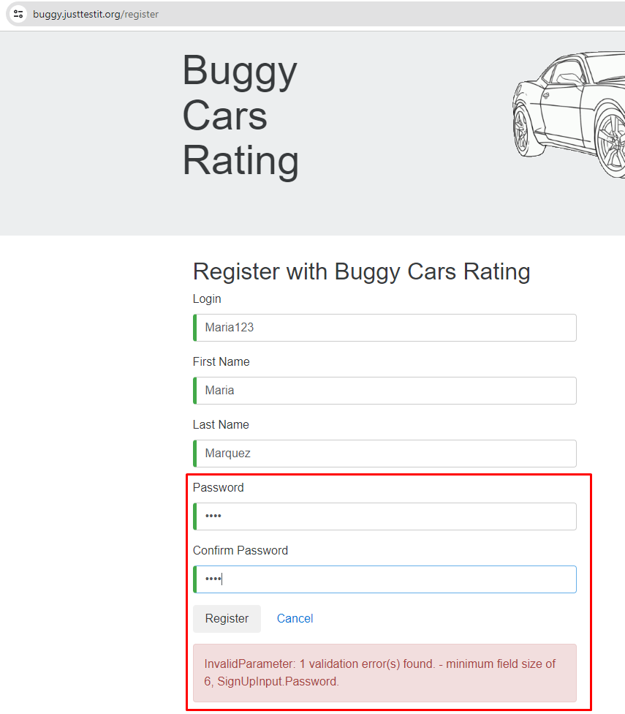
TEST CASES - [ BUGGY RATING] |  |  |  |  |  |  |  |  | OK
Nº | Test Case Description | Priority | Preconditions | Entry Data | Steps | Expected Result | Actual Result | State | FALLO
FUNCTIONAL AREA: User registration
1 | Register a new user by filling out all the fields successfully (Happy Path) | High | - Having a browser installed. - Having an internet connection. | - Login - Nombre de usuario - Apellido - Password | 1.- Go to https://buggy.justtestit.org/ 2.- Click on the "Register" option in the upper right button. 3.- Enter the imput data 4.- Click on the register button. | The user is successfully registered. | 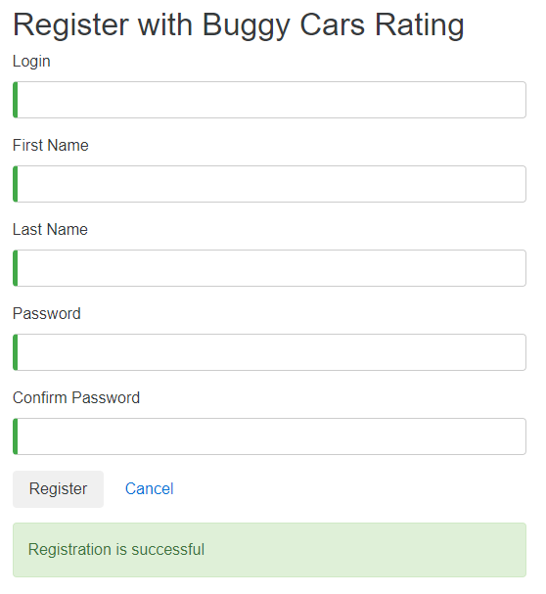 | OK

2 | Register a new user with the required data blank. | High | - Having a browser installed. - Having an internet connection | - No entry data | 1.- Go to https://buggy.justtestit.org/ 2.- Click on the "Register" option in the upper right button. 3.- Do not enter the input data. 4.- Click on the register button. | The screen should indicate that the required fields are missing. |  | OK

 |  |  |  |  |  |  | 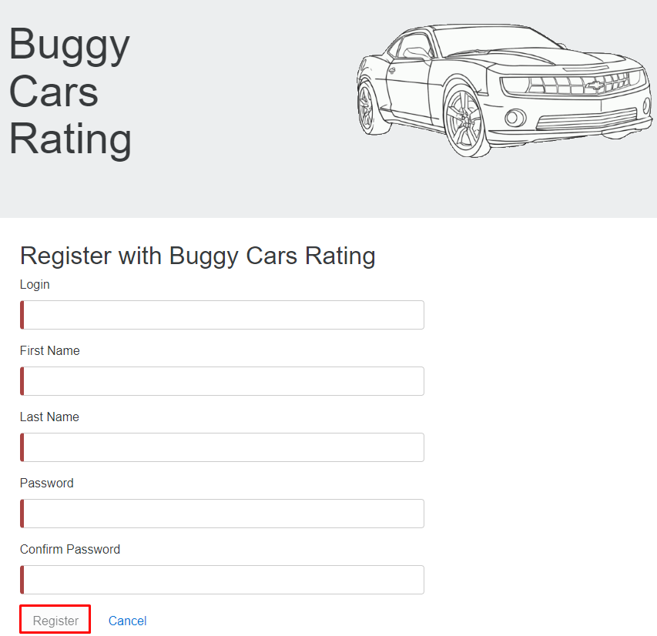

3 | Register a new user with a 3-character password | High | - Having a browser installed. - Having an internet connection. | - Login - Nombre de usuario - Apellido - Password | 1.- Go to https://buggy.justtestit.org/ 2.- Click on the "Register" option in the upper right button. 3.- Enter the imput data 4.- Click on the register button. | The page should display a bad password error message and indicate the minimum conditions that the password must meet. |  | OK

 |  |  |  |  |  |  | 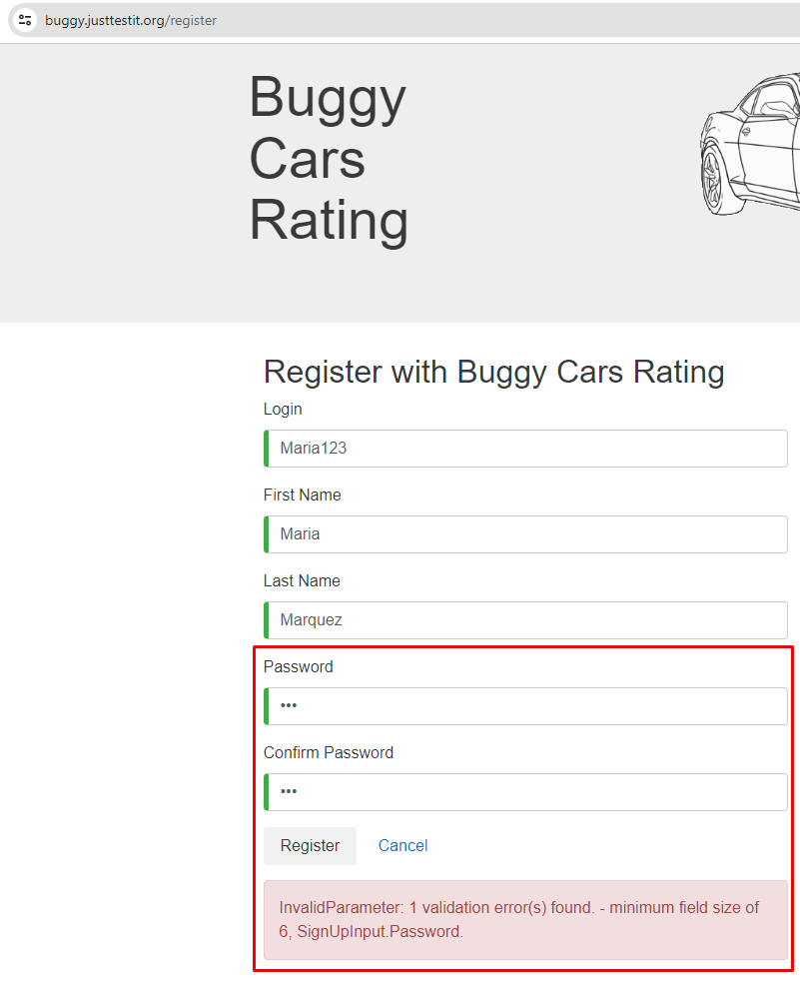

4 | Register a new user with a password of 3 characters plus a special character | High | - Having a browser installed. - Having an internet connection. | - Login - Nombre de usuario - Apellido - Password | 1.- Go to https://buggy.justtestit.org/ 2.- Click on the "Register" option in the upper right button. 3.- Do not enter the input data. 4.- Click on the register button. | The page should display a bad password error message and indicate the minimum conditions that the password must meet. |  | OK

5 | Register a new user with a password of 6 characters plus 1 special character. All in lower case. | High | - Having a browser installed. - Having an internet connection. | - Login - Nombre de usuario - Apellido - Password | 1.- Go to https://buggy.justtestit.org/ 2.- Click on the "Register" option in the upper right button. 3.- Enter the input data. 4.- Click on the register button. | The page should display a bad password error message and indicate the minimum conditions that the password must meet. | 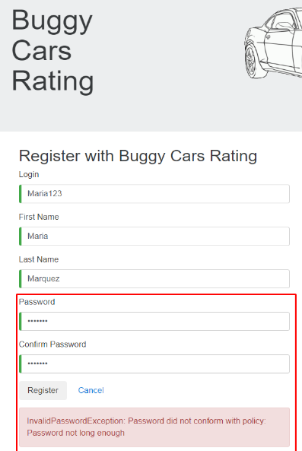 | OK

6 | Register a new user with a password that meets the conditions but enter a different password at confirmation. | High | - Having a browser installed. - Having an internet connection. | * Login * Nombre de usuario * Apellido * Password | 1.- Go to https://buggy.justtestit.org/ 2.- Click on the "Register" option in the upper right button. 3.- Enter the input data. 4.- Click on the register button. | The page should display a bad password error message and indicate the minimum conditions that the password must meet. | 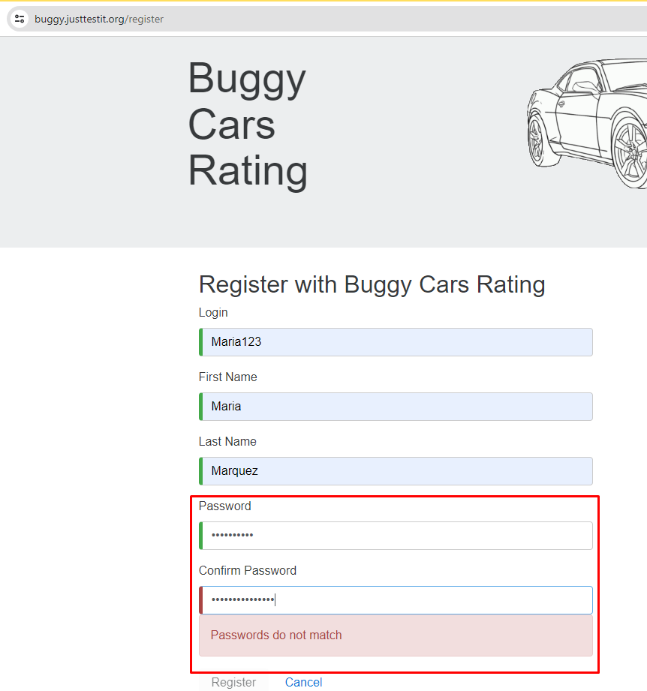 | OK

7 | Register an existing user | High | - Having a browser installed. - Having an internet connection. | * Login * Nombre de usuario * Apellido * Password | 1.- Go to https://buggy.justtestit.org/ 2.- Click on the "Register" option in the upper right button. 3.- Enter the input data. 4.- Click on the register button. | The page should display an error message stating that the user already exists. | 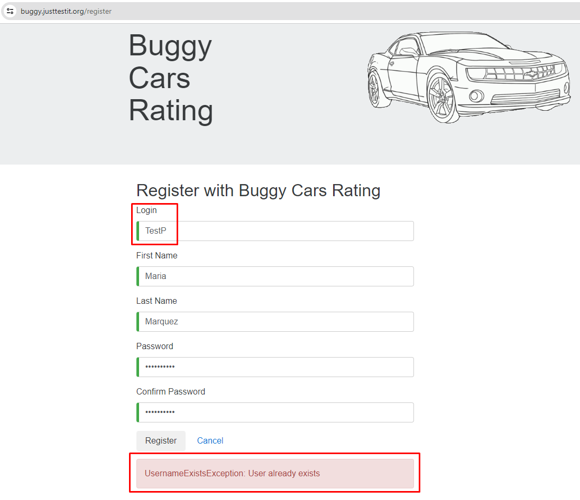 | OK

FUNCTIONAL AREA: UPDATE USER PROFILE
1

FUNCTIONAL AREA: VOTING CARS
1

